3 - Chinese Launch Charts
Chinese Launch Charts

Figure 4. China's orbital-class space launches per year. |  |  |  | Figure 5. China’s orbital-class launch vehicles, categorized by years of operation. |  |  |  |  |  |  |  |  |  |  |  |  |  |  | Figure 6. China’s orbital-class, solid-fuel launches per year from 2002 to 2022 categorized by success or failure. |  |  |  | Figure 7. China’s orbital-class, solid-fuel launches from 2002 to 2022 categorized by TEL compatibility. |  |  |  | Table 1. China’s fourteen orbital-class, solid-fuel launch vehicle variants from 2002 to 2022, categorized by developer.

 | Not TEL Compatible | TEL Compatible
2002 |  | 1
2003 |  | 1
2004
2005
2006
2007
2008
2009
2010
2011
2012
2013 |  | 1
2014 |  | 1
2015 |  | 1
2016 |  | 1
2017 |  | 2
2018 | 1 | 4
2019 | 3 | 8
2020 | 2 | 6
2021 | 3 | 4
2022 | 7 | 7
 | Solid Fueled | Liquid Fueled
1970 |  | 1
1971 |  | 1
1972
1973 |  | 1
1974 |  | 2
1975 |  | 3
1976 |  | 3
1977
1978 |  | 1
1979 |  | 1
1980
1981 |  | 1
1982 |  | 1
1983 |  | 1
1984 |  | 3
1985 |  | 1
1986 |  | 2
1987 |  | 2
1988 |  | 4
1989
1990 |  | 5
1991 |  | 1
1992 |  | 4
1993 |  | 1
1994 |  | 5
1995 |  | 3
1996 |  | 4
1997 |  | 6
1998 |  | 6
1999 |  | 4
2000 |  | 5
2001 |  | 1
2002 | 1 | 4
2003 | 1 | 6
2004 |  | 8
2005 |  | 5
2006 |  | 6
2007 |  | 10
2008 |  | 11
2009 |  | 6
2010 |  | 15
2011 |  | 19
2012 |  | 19
2013 | 1 | 14
2014 | 1 | 15
2015 | 1 | 18
2016 | 1 | 21
2017 | 2 | 16
2018 | 5 | 34
2019 | 11 | 23
...
 | Failure | Success
2002 | 1
2003 | 1
2004
2005
2006
2007
2008
2009
2010
2011
2012
2013 |  | 1
2014 |  | 1
2015 |  | 1
2016 |  | 1
2017 |  | 2
2018 | 1 | 4
2019 | 1 | 10
2020 | 2 | 6
2021 | 3 | 4
2022 | 1 | 13
Year | Liquid Fueled | Solid Fueled |  |  |  |  |  |  |  |  |  |  |  |  |  |  |  |  | Year | Success | Failure |  | Year | TEL Compatible | Not TEL Compatible |  | CASC, CASIC, and Subsidiaries |  |  |  |  | Non-CASC/CASIC
1970 | 1 |  |  | Zhuque 2* |  |  |  |  |  |  |  |  |  |  |  |  |  |  | 2002 |  | 1 |  | 2002 | 1
1971 | 1 |  |  | Jielong 3 |  |  |  |  |  |  |  |  |  |  |  |  |  |  | 2003 |  | 1 |  | 2003 | 1 |  |  | Launch Vehicle Name | Developer | Platform | Launches |  | Launch Vehicle Name | Developer | Platform | Launches
1972 |  |  |  | Zhongke 1 |  |  |  |  |  |  |  |  |  |  |  |  |  |  | 2004 |  |  |  | 2004 |  |  |  |  |  |  | Success | Failure |  |  |  | Success | Failure
1973 | 1 |  |  | Long March 8 |  |  |  |  |  |  |  |  |  |  |  |  |  |  | 2005 |  |  |  | 2005 |  |  |  | Kaituozhe 1 | CASIC | TEL Compatible | 0 | 2 | Zhuque 1 | LandSpace | Not TEL Compatible | 0 | 1
1974 | 2 |  |  | Ceres 1 |  |  |  |  |  |  |  |  |  |  |  |  |  |  | 2006 |  |  |  | 2006
1975 | 3 |  |  | Kuaizhou 11 |  |  |  |  |  |  |  |  |  |  |  |  |  |  | 2007 |  |  |  | 2007 |  |  |  | Kaituozhe 2 | CASIC | TEL Compatible | 1 | 0 | OS-M1 | OneSpace | Not TEL Compatible | 0 | 1
1976 | 3 |  |  | Jielong 1 |  |  |  |  |  |  |  |  |  |  |  |  |  |  | 2008 |  |  |  | 2008
1977 |  |  |  | Hyperbola 1 |  |  |  |  |  |  |  |  |  |  |  |  |  |  | 2009 |  |  |  | 2009 |  |  |  | Kuaizhou 1 | ExPace (CASIC Sub) | TEL Compatible | 2 | 0 | Hyperbola 1 | iSpace | Not TEL Compatible | 1 | 3
1978 | 1 |  |  | OS-M1* |  |  |  |  |  |  |  |  |  |  |  |  |  |  | 2010 |  |  |  | 2010
1979 | 1 |  |  | Zhuque 1* |  |  |  |  |  |  |  |  |  |  |  |  |  |  | 2011 |  |  |  | 2011 |  |  |  | Kuaizhou 1A | ExPace (CASIC Sub) | TEL Compatible | 16 | 2 | Ceres 1 | Galactic Energy | Not TEL Compatible | 4 | 0
1980 |  |  |  | Kaituozhe 2 |  |  |  |  |  |  |  |  |  |  |  |  |  |  | 2012 |  |  |  | 2012
1981 | 1 |  |  | Long March 7 |  |  |  |  |  |  |  |  |  |  |  |  |  |  | 2013 | 1 |  |  | 2013 | 1 |  |  | Kuaizhou 11 | ExPace (CASIC Sub) | TEL Compatible | 1 | 1 | Zhongke 1 | CAS Space | Not TEL Compatible | 1 | 0
1982 | 1 |  |  | Long March 5 |  |  |  |  |  |  |  |  |  |  |  |  |  |  | 2014 | 1 |  |  | 2014 | 1
1983 | 1 |  |  | Long March 6 |  |  |  |  |  |  |  |  |  |  |  |  |  |  | 2015 | 1 |  |  | 2015 | 1 |  |  | Long March 11 | CALT (CASC Sub) | TEL Compatible | 11 | 0
1984 | 3 |  |  | Long March 11 |  |  |  |  |  |  |  |  |  |  |  |  |  |  | 2016 | 1 |  |  | 2016 | 1
1985 | 1 |  |  | Kuaizhou 1 |  |  |  |  |  |  |  |  |  |  |  |  |  |  | 2017 | 2 |  |  | 2017 | 2 |  |  | Long March 11H | CALT (CASC Sub) | Not TEL Compatible | 4 | 0
1986 | 2 |  |  | Kaituozhe 1*† |  |  |  |  |  |  |  |  |  |  |  |  |  |  | 2018 | 4 | 1 | Datawrapper Version | 2018 | 4 | 1 | Datawrapper Version
1987 | 2 |  | Datawrapper Version | Long March 4 |  |  |  |  |  |  |  |  |  |  |  |  |  |  | 2019 | 10 | 1 |  | 2019 | 8 | 3 |  | Jielong 1 | CALT (CASC Sub) | TEL Compatible | 1 | 0
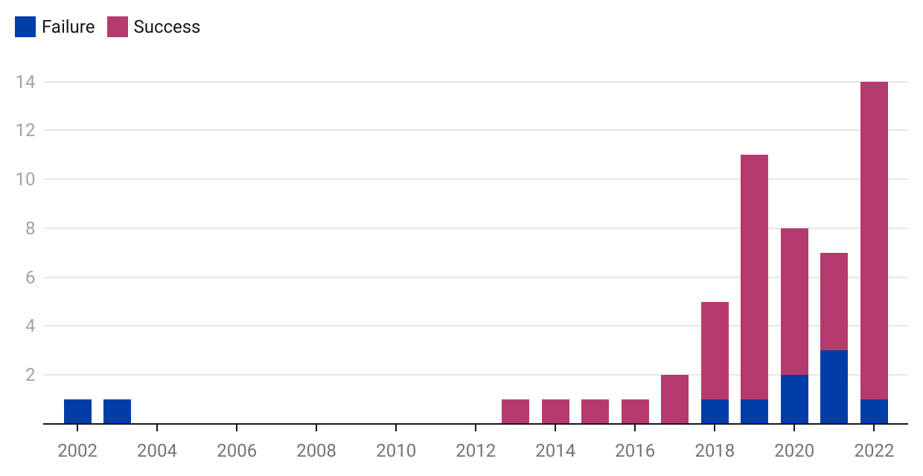
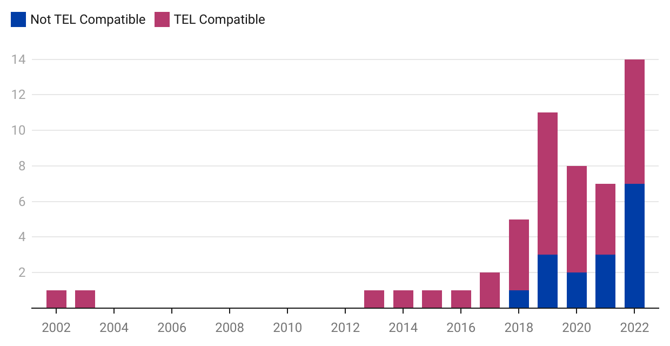
1988 | 4 |  |  | Long March 3 |  |  |  |  |  |  |  |  |  |  |  |  |  |  | 2020 | 6 | 2 |  | 2020 | 6 | 2
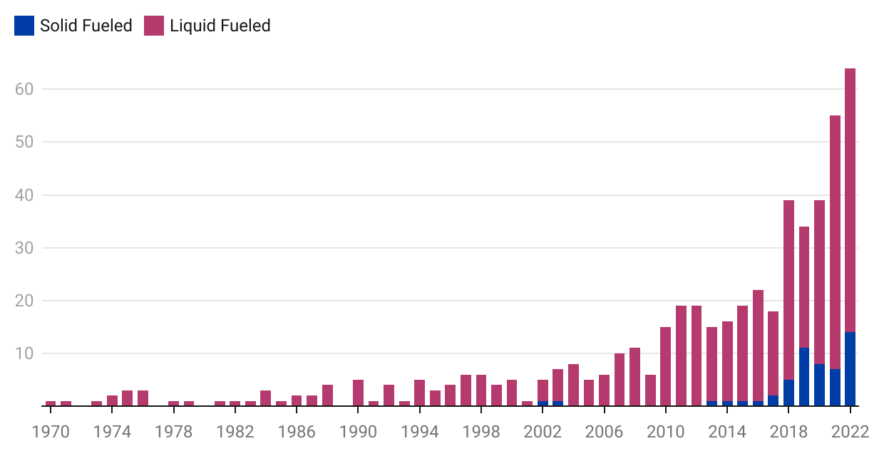
1989 |  |  |  | Long March 2 |  |  |  |  |  |  |  |  |  |  |  |  |  |  | 2021 | 4 | 3 |  | 2021 | 4 | 3 |  | Jielong 3 | CALT (CASC Sub) | Not TEL Compatible | 1 | 0
1990 | 5 |  |  | Feng Bao 1† |  |  |  |  |  |  |  |  |  |  |  |  |  |  | 2022 | 13 | 1 |  | 2022 | 7 | 7
1991 | 1 |  |  | Long March 1† |  |  |  |  |  |  |  |  |  |  |  |  |  |  |  |  |  |  |  |  |  |  | TOTAL |  |  | 37 | 5 | TOTAL |  |  | 6 | 5
1992 | 4 |  |  |  | 1970 | 1974 | 1978 | 1982 | 1986 | 1990 | 1994 | 1998 | 2002 | 2006 | 2010 | 2014 | 2018 | 2022 |  |  |  |  |  |  |  |  |  |  |  | Success | Failure |  |  |  | Success | Failure
1993 | 1
1994 | 5 |  |  |  |  |  |  |  |  |  |  |  |  |  |  |  |  |  |  |  |  |  |  |  |  |  | Word Version
1995 | 3 |  |  | Datawrapper Version
1996 | 4
1997 | 6
1998 | 6
1999 | 4
2000 | 5
2001 | 1
2002 | 4 | 1
2003 | 6 | 1
2004 | 8
2005 | 5
2006 | 6
2007 | 10
2008 | 11
2009 | 6
2010 | 15
2011 | 19
2012 | 19
2013 | 14 | 1
2014 | 15 | 1
2015 | 18 | 1
2016 | 21 | 1
2017 | 16 | 2
2018 | 34 | 5
2019 | 23 | 11
2020 | 31 | 8
2021 | 48 | 7
2022 | 50 | 14
Total | 452 | 53

